Cover Page
MENA FCCG CULTURE ASSESSMENT QUESTIONNAIRE

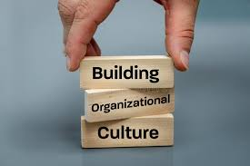

 | A culture of ethics reinforces formal controls ensuring the firm brings its core values into practice; it enhances brand value and customer loyalty.

Assessment Criteria
MENA FCCG CULTURE ASSESSMENT QUESTIONNAIRE- RATING
 | Culture Assessment Criteria A "Strong" Culture represents the level of maturity of embedding good culture as part of the DNA of the organization where every employee fully embraces and models the values of the organization.

Requires enhanced commitment to take measurable steps to enhance organizational culture

Weak
Needs Improvemnt
Satisfactory
Fully Satisfactory
Strong
Culture Maturity Rating Scale (1-5)

